Defect Dump

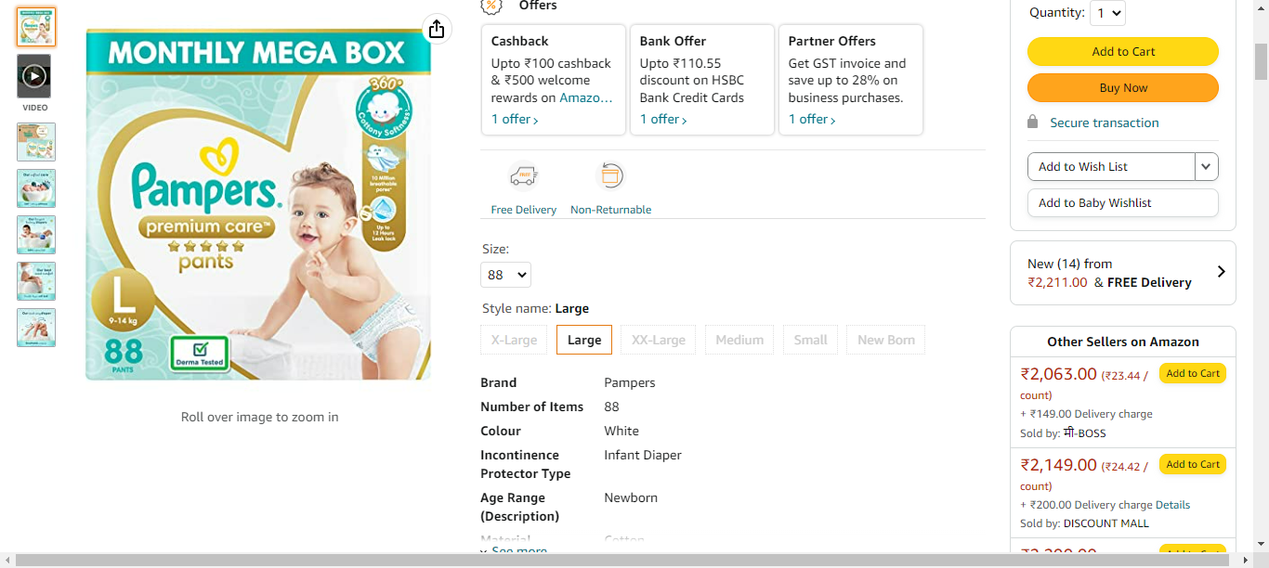
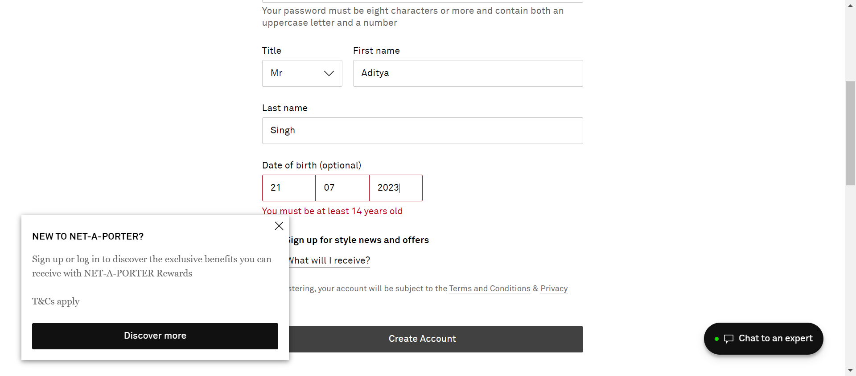
TestMethod | Defect Summary | Defect Description | Error | Time | Browser | DefectEnv | DefectStatus | DuplicatesFound | Error Screenshot
LanguageChangeToChina | SIT | Register | LanguageChangeToChina | SignIn button should be located is failed in Selenabler Framework | SignIn button should be located is failed | Failure Reason from Selenabler Framework: expected [You must be at least 14 years ol] but found [You must be at least 14 years old] | 2023.07.20.14.34.14 | Chrome | SIT | To Do | 0 | 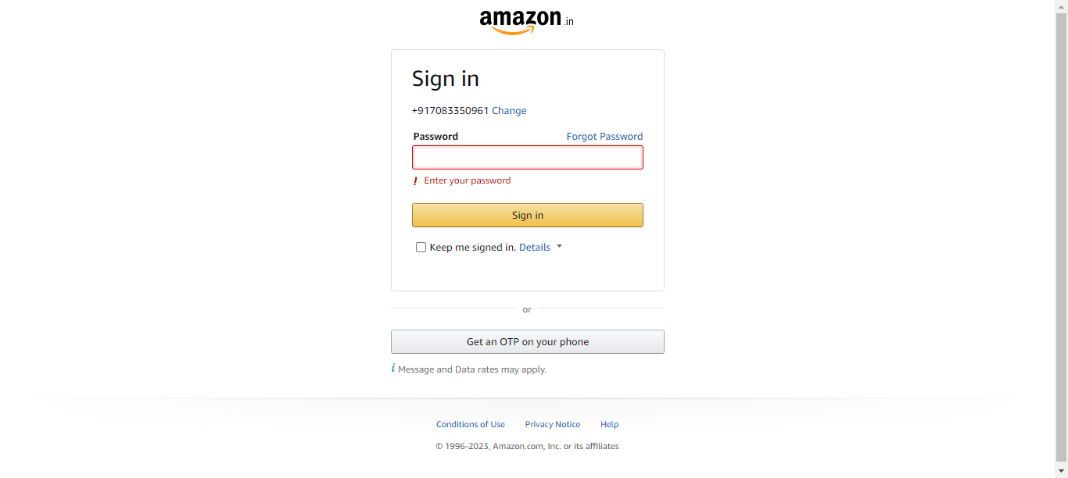

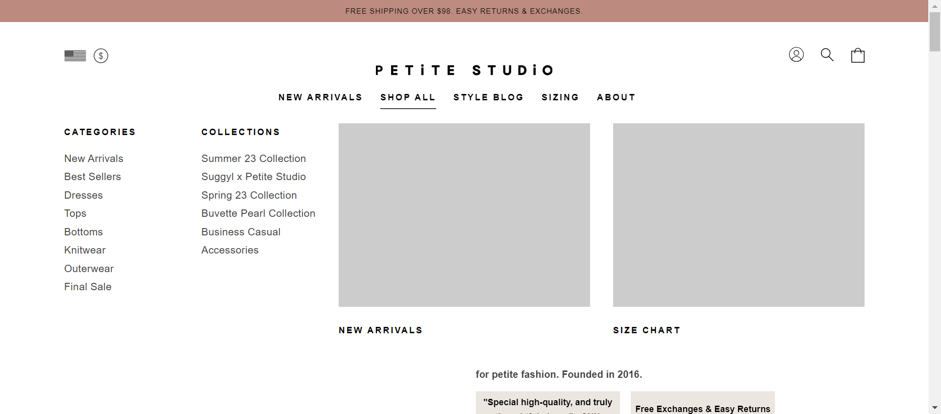
RedirectLinks | SIT | Links | RedirectLinks | Application is open is failed in Selenabler Framework | Application is open is failed | Failure Reason from Selenabler Framework: expected [https://www.petitestudionyc.com/collections/buvette-collection] but found [https://www.petitestudionyc.com/collections/business-staples] | 2023.07.21.00.58.55 , 2023.07.21.00.54.21 , 2023.07.21.00.51.07 | Chrome | SIT | To Do | 2

